cholesterol
Age & Cholesterol
 | Age | Chol (mg/ml)
 | 46 | 3.5
 | 20 | 1.9
 | 52 | 4
 | 30 | 2.6
 | 57 | 4.5
 | 25 | 3
 | 28 | 2.9
 | 36 | 3.8
 | 22 | 2.1
 | 43 | 3.8
 | 57 | 4.1
 | 33 | 3
 | 22 | 2.5
 | 63 | 4.6
 | 40 | 3.2
 | 48 | 4.2
 | 28 | 2.3
 | 49 | 4

n | 18 | 18
mean | 38.833333333 | 3.3333333333
unbiased variance (var) | 184.85294118 | 0.70352941176
unbiased standard deviation (SD) | 13.596063444 | 0.83876660148
covariance (cov) | 10.682352941
correlation (r) | 0.9367260785

standard error of r (SE(r)) | 0.08751580352
the t-statistic (t) | 10.703507719
fisher's z-transformation (z) | 1.7106404882
standard error of z (SE(z)) | 0.25819888975
t-statistic | 6.6252821223

sum xx | 3142.5
sum xy | 181.6
slope (b) | 0.057788385044
y-intercept (a) | 1.0892177141

attributed to the model (SSR) | 10.494370724
residual sum of square (SSE) | 1.4656292761 | +
total variation (SST) | 11.96 | =
R^2 | 0.87745574615

gestation
 | Gestation | Bwt
 | 34.7 | 1895
 | 36 | 2030
 | 29.3 | 1440
 | 40.1 | 2835
 | 35.7 | 3090
 | 42.4 | 3827
 | 40.3 | 3260
 | 37.3 | 2690
 | 40.9 | 3285
 | 38.3 | 2920
 | 38.5 | 3430
 | 41.4 | 3657
 | 39.7 | 3685
 | 39.7 | 3345
 | 41.1 | 3260
 | 38 | 2680
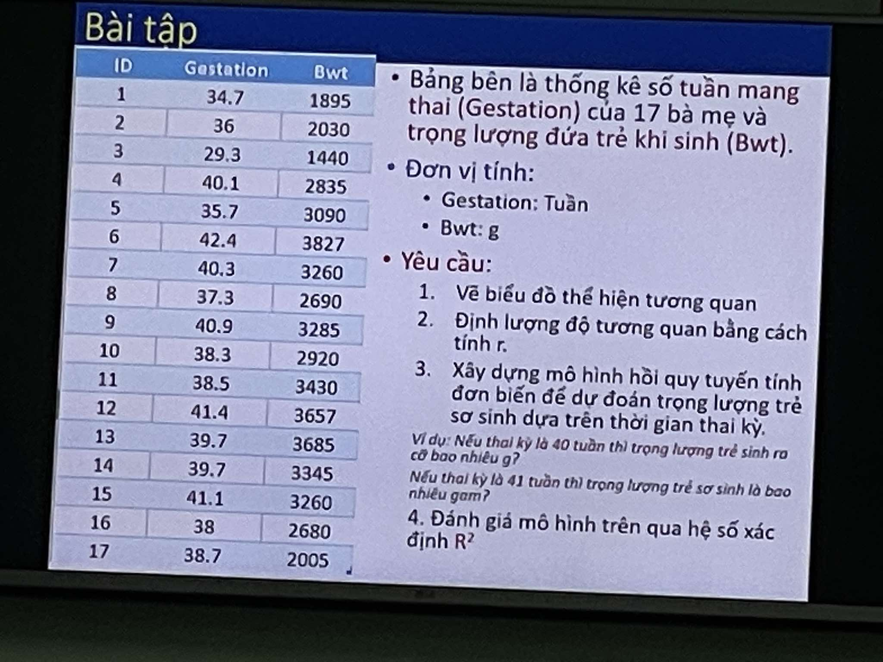
 | 38.7 | 2005
 | (week) | (g)

n | 17 | 17
mean | 38.358823529 | 2902
unbiased variance (var) | 9.9638235294 | 485478.75
unbiased standard deviation (SD) | 3.1565524753 | 696.76305155
covariance (cov) | 1798.025
correlation (r) | 0.81751851989

standard error of r (SE(r)) | 0.14869733681
the t-statistic (t) | 5.4978692787
fisher's z-transformation (z) | 1.1492893551
standard error of z (SE(z)) | 0.26726124191
t-statistic | 4.3002470049

sum xx | 159.42117647
sum xy | 28768.4
slope | 180.45532367
y-intercept | -4020.0539156

attributed to the model (SSR) | 5191410.9335 |  | Prediction Model
residual sum of square (SSE) | 2576249.0665 | + | Week | Weight
total variation (SST) | 7767660 | = | 40 | 3198.1590312
R^2 | 0.66833653037

gestation (2)
Biểu đồ phân tán thể hiện mối quan hệ giữa số bài báo đã công bố và lương
 | Gestation | Bwt
 | 3 | 51876
 | 6 | 54511
 | 3 | 53425
 | 8 | 61683
 | 9 | 52926
 | 6 | 47034
 | 16 | 66432
 | 10 | 61100
 | 2 | 41934
 | 5 | 47454
 | 5 | 49832
 | 6 | 47047
 | 7 | 39115
 | 11 | 59677
 | 18 | 61458
 | 6 | 54528
 | 9 | 60327
 | 7 | 56600
 | 7 | 52542
 | 3 | 50455
 | (week) | (g)

n | 20 | 20
tbc | 7.35 | 53497.8
phương sai | 16.765789474 | 49424289.221
độ lệch chuẩn | 4.0946049228 | 7030.24105
hiệp phương sai | 19960.652632
độ tương quan | 0.69341385729
sum xx | 318.55
sum xy | 379252.4
slope | 1190.5584681
y-intercept | 44747.19526

